Workspace Overview
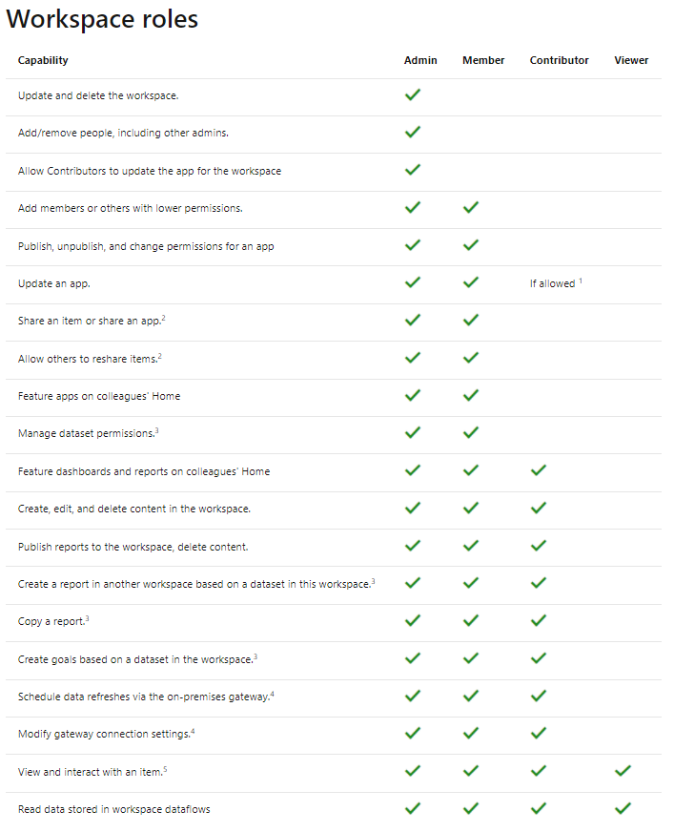
Workspace Governance Overview

Workspace Types |  | Persona Types
 |  | Microsoft Docs |  | Governance Guide

 | DATA |  | ADMINS
 | Dataflows and Datamarts should be stored in a separate workspace from Datasets, Reports and Metrics. Since READ access to Dataflows is at the workspace level the ideal breakout for Dataflows is by schema / subject so you can properly control access to the dataflow. NOTE: To optimize loads and minimise troubleshooting, do not have more than 1 table within a Dataflow. |  | Power BI Admin will own workspaces, be able to add / remove users, create and manage all content. The Admins will be the ones responsible for everything within the workspace when it comes to management and oversite. Admins will require a PRO or PPU license.

 | DATASETS |  | MEMBERS (optional)
 | Datasets should be managed within a single environment broken out by team supporting the dataset. Read access to the datasets can be broadly defined with Rowl Level Security(RLS) and Object Level Security(OLS) for more fine grained access patterns. |  | Power BI Members will have all of the duties of the Power BI Admin with the exception of updating and deleting workspaces, adding ore reomvoing people and alowing contributors to update Power BI APP. Members will require a PRO or PPU license. NOTE: DO NOT USE THE MEMBER ROLE UNLESS NEEDED WITHIN YOUR ORG

 | REPORTS |  | CONTRIBUTORS (optional)
 | Reports should be grouped in workspaces by Audieance and ALL access should be granted via Power BI Apps and NO access should be shared by individual reports. Since reports will be broken out by audieance, make sure that the Subject name of the workspace makes sense to the users maintaining the content. While the App name CAN be different, becarefuil, this can be hard to troubleshoot. While individual reports CAN be shared to users, DO NOT GUIDE PEOPLE TO DO THIS. |  | Power BI Contributors are allowed to publish content to the Power BI Workspace, but they may/maynot be allowed to update the Power BI App. This will be driven by the Power BI Admin. Contributors will require a PRO or PPU license. NOTE: ONLY USE THE CONTRIBUTOR ROLE FOR ENTERPRISE / SECURE CONTENT

 | METRICS |  | VIEWERS
 | Metrics should be in their own workspace due to the potentially secured nature of the content. If the Metrics need to be surfaced in other areas, make those Metrics available via the Power BI Metrics Visual, and not via a Metric within an existing workspace. |  | Power BI Viewers are the typical business consumer who does not need to create Power BI content, but needs to view content. The viewer will typically only require a PRO license if PREMIUM sharing is not available. NOTE: DO NOT SHARE WORKSPACES WITH VIEWERS - ONLY SHARE POWER BI APPS

App Overview
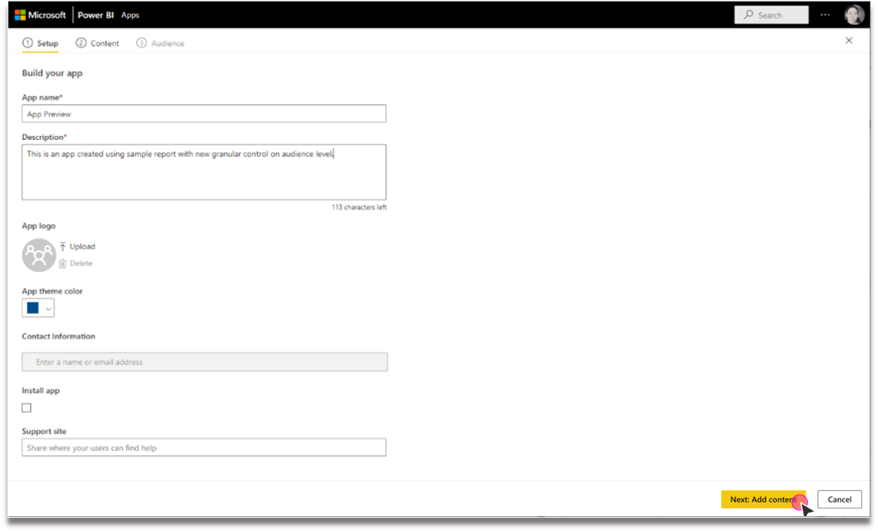
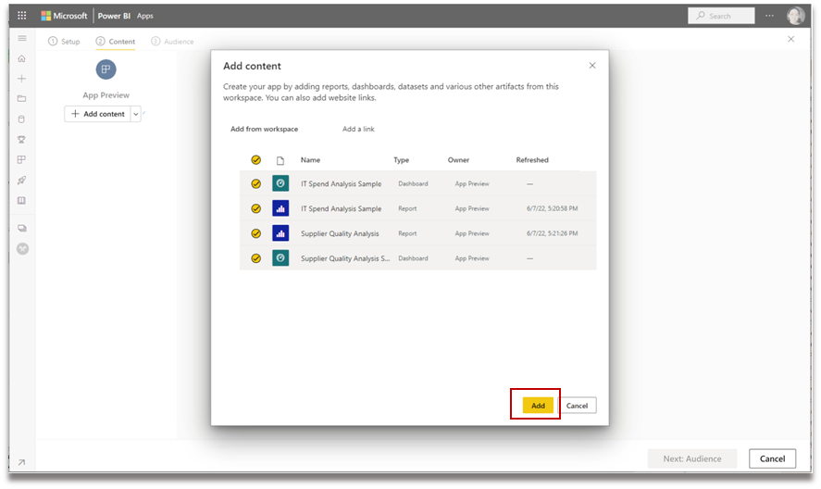
App Governance Overview

App / Report Types |  | Audeance Types
 |  | Microsoft Docs |  | Governance Guide

 | FOCUSED |  | EXECUTIVES
 | Focused content is desined for a highly specific audenance and tailored for their needs. This can lead to design requests that rely upon common group understanding. It's still important to follow good design and documentation for any new users who are starting to consume the information. On focused experiences, it is very important to SIMPLIFY, SIMPLIFY, SIMPLIFY. |  | Executives look for high level cross organizational reports to help them guide and drive the organization through changes. Simplicty and business value are key componants of Executive level audeances.

 | EXPLORATORY |  | MANAGERS
 | Exploratory content will be for people who are looking to understand some aspect of their business. Exploratory content will most often be used by analysts looking to dig into root cauess of issues. Users looking to explore data will often need to look at data from a variety of angles and at different grains and levels. |  | Managers look at metrics that span their sphere of influence with a focus on their department and those that work for the manager. Managers occasionally go into detail to understand some root cause issues, but those activities can often get passed to Analysts or Operations.

 | EXPLANITORY |  | ANALYSTS
 | Explanitory content seeks to highlight the results of exploratory analysis of the root cause of items from within the business. Explanitory content may change and shift on a reliable basis, or may include enough variations that it covers almost any situation. This content will often be integrated into other applications or presentation tools. |  | Analysts are looking to uncover insights within data that can be transfored into acctions that can be taken by the organization. Analysts will need a wide range of analytics at a variety of levels (both high and low level data is vital) and across many subject areas.

 | DRIVE ACTION |  | OPERATIONS
 | While all analytical content should be built to drive action, some content is specifically built to drive a specific action (set meetings, resolve issues, identify opportunities). This content should look for hooks into the systems where action can directly take place, or should be directly embedded within the application. This content may include hooks into Power Apps and Power Automate allowing consumers to directly take actions within the analytics themselves. |  | Operations are looking to take action from the analytics that they consume. Wether it's what customers to call first, the level of response necessary to a customer service request, or even how to manage the production line in factories, Operational apps should focus on action and be tailored to the consumer.

Report Overview
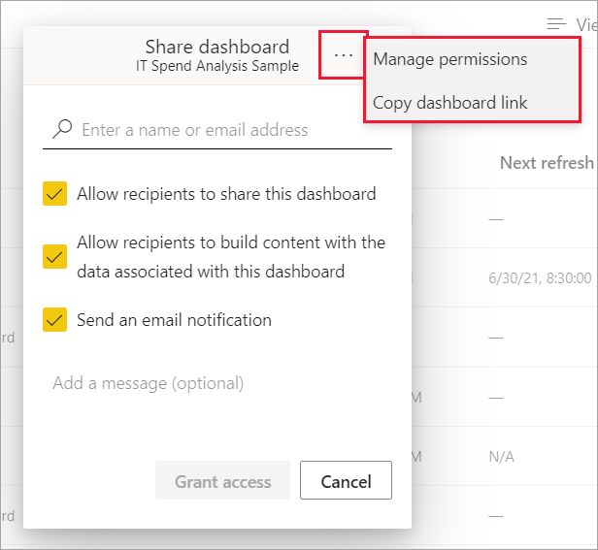
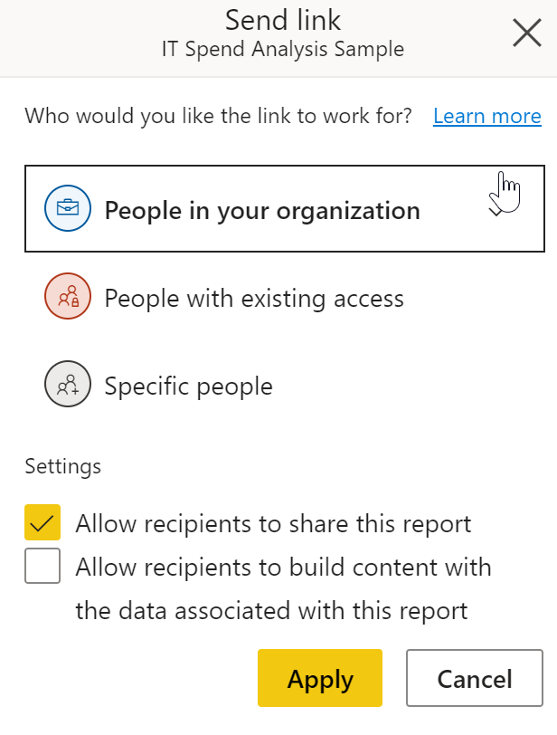
Report Governance Overview

Report Endorsement |  | Persona Types
 |  | Microsoft Docs |  | Governance Guide

 | CERTIFIED |  | READ
 | Certified Reports should follow enterprise standards for visuals, calls to action, layout, etc data quality, validation, support, naming standards, DevOps, etc. Certified datasets should be used for all official Enterprise level or External reproting. Certified Reports should: be featured in Power BI, sourced from a Certified Dataset, have a good description, an image snapshot uploaded, and a support email group. |  | Read allows a user to access and read the given report. NOTE: Read access SHOULD NOT be granted on a report by report level. All reports should be distributed via Power BI Apps.

 | PROMOTED |  | BUILD
 | Promoted reports should be used for Department level, or lower, reporting. Promoted reports are encouraged to follow as many of the Certified standards as is reasonable for a given department. (example Finance may requrie higher data validation needs vs a training dashboard). |  | Users with Build Permissions are able to build their own Power BI content based off of the dataset in this report. This dataset will be found in the PowerBI DataHub

 | NORMAL |  | SHARE
 | Reports for individuals, teams, or are adhoc in nature should not have an ensorsement level set. |  | Users with Share access allow the users to share the content with other people

Dataset Overview
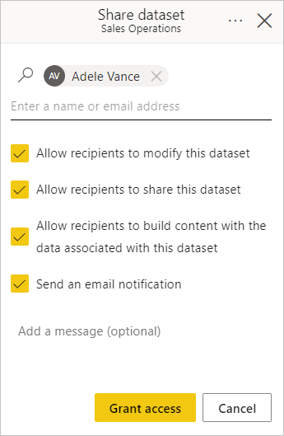
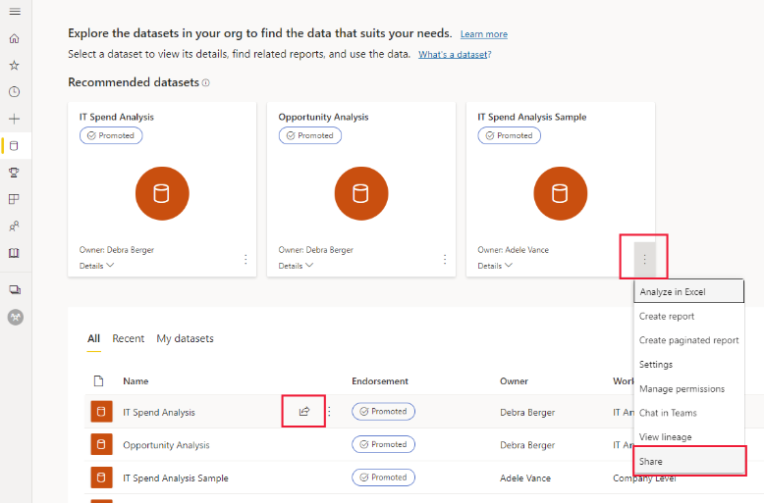
Dataset Governance Overview

Dataset Types |  | Persona Types
 |  | Microsoft Docs |  | Governance Guide

 | CERTIFIED |  | MODIFY
 | Certified Reports should follow enterprise standards for visuals, calls to action, layout, etc data quality, validation, support, naming standards, DevOps, etc. Certified datasets should be used for all official Enterprise level or External reproting. |  | Users with Modify set for a given dataset are able to make changes to the datamodel, add measures, security, etc. This is the Analytics Engineering access point that should be controlled via access at the workspace level following the patern of having a workspace for datasets seperate from reports.

 | PROMOTED |  | BUILD (recommended for report builders)
 | Promoted datasets should be used for Department level, or lower, reporting. Promoted datasets are encouraged to follow as many of the Enterprise standards as is reasonable for a given department. (example Finance may requrie higher data validation needs vs a training dashboard). |  | This grants users the abiliity to build power bi reports and dashboards on this dataset. This is the recommended access for anyone building reports off of a dataset.

 | NORMAL |  | SHARE
 | Datatsets without endorsement |  | This allows users to share access to this dataset to others. Sharing access to a Dataset should ONLY be done via AAD groups and not to individuals.

 | COMPOSITE MODIFIER |  | Discoverable (modifier)
 | Goals should be in their own workspace due to the potentially secured nature of the content. If the Goals need to be surfaced in other areas, make those Goals available via the Power BI Goals Visual, and not via a Goal within an existing workspace. |  | Datasets are easily discoverable via the Datahub in Power BI. Datasets that are made discoverable by default. This can be turned off to hide the dataset from the Datahub.

Dataflow Overview
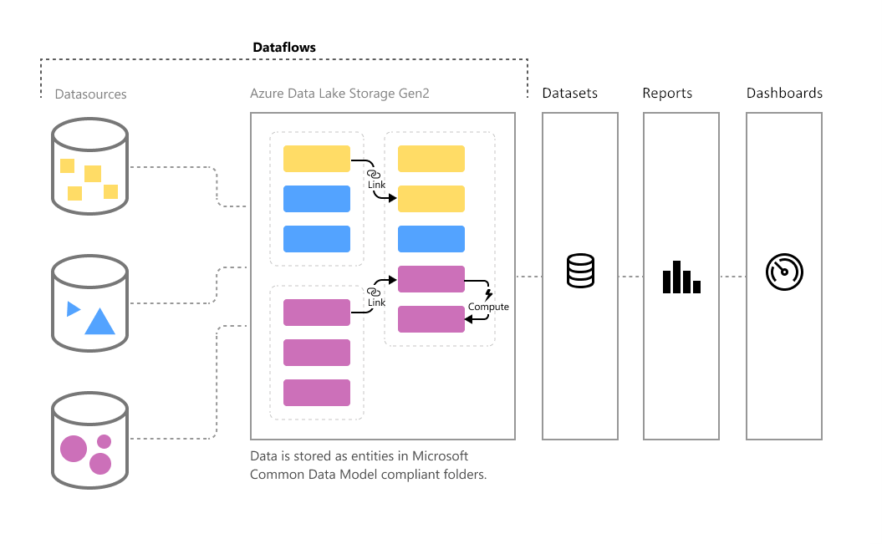
Dataflow Governance Overview

Dataflow Types |  | Persona Types
 |  | Microsoft Docs |  | Governance Guide

 | CERTIFIED |  | OWNER
 | Certified Dataflows should follow enterprise standards for data quality, validation, support, naming standards, DevOps, etc. Certified dataflow should be used for all official Enterprise level datasets or External reproting. |  | Owners of Power BI Dataflows are the only ones who are allowed to modify or schedule the refresh of a dataflow. Make sure access and connections are shared to teams using service accounts.

 | ENDORSED |  | READ
 | Endorsed Dataflows should be used for Department level, or lower, reporting. Endorsed Dataflows are encouraged to follow as many of the Enterprise standards as is reasonable for a given department. (example Finance may requrie higher data validation needs vs a training dashboard). |  | Read access to Dataflows is granted at the Viewer level within the Power BI Workspace

 | NORMAL
 | Dataflows without endorsement are the default adhoc dataflow used for general and adhoc datasets and reporting.

 | LINK MODIFIER
 | Goals should be in their own workspace due to the potentially secured nature of the content. If the Goals need to be surfaced in other areas, make those Goals available via the Power BI Goals Visual, and not via a Goal within an existing workspace.

